Sheet1
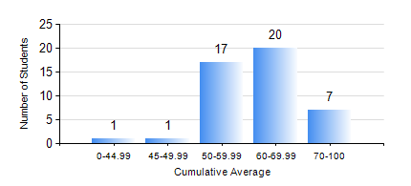
 |  |  | KWAME NKRUMAH UNIVERSITY OF SCIENCE AND TECHNOLOGY, KUMASI Department of Mechanical Engineering

 |  |  | BSC. AEROSPACE ENG., General Option

 |  |  | COMPREHENSIVE RECORD OF EXAMINATION RESULTS

 |  |  | RESULTS OF YEAR 1 FIRST SEMESTER, 2018/2019 ACADEMIC YEAR

 | Sn | Course Code |  | Course Name | Credit Hours | Min. Mark | Max. Mark | Avg. Mark | Std. Dev. | No. Passed | No. Trailed | No. (Df) | No. (I) | No. (I*) | No. Tagged(I,I*,Df) | Total
 | 1. | AERO 157 |  | INTRODUCTION TO AVIATION TECHNOLOGY | 2 | 40 | 81 | 64 | 10.69 | 46 | 0 | 0 | 0 | 0 | 0 | 46
 | 2. | CE 155 |  | ENVIRONMENTAL STUDIES | 2 | 47 | 80 | 68 | 7.57 | 46 | 0 | 0 | 0 | 0 | 0 | 46
 | 3. | EE 151 |  | APPLIED ELECTRICITY | 3 | 15 | 89 | 62 | 14.4 | 45 | 1 | 0 | 0 | 0 | 0 | 46
 | 4. | ENGL 157 |  | COMMUNICATION SKILLS I | 2 | 45 | 70 | 55 | 5.09 | 46 | 0 | 0 | 0 | 0 | 0 | 46
 | 5. | MATH 151 |  | ALGEBRA | 4 | 31 | 73 | 55 | 11.45 | 43 | 3 | 0 | 0 | 0 | 0 | 46
 | 6. | ME 157 |  | INTRODUCTION TO INFORMATION TECHNOLOGY | 2 | 51 | 86 | 73 | 9.67 | 46 | 0 | 0 | 0 | 0 | 0 | 46
 | 7. | ME 159 |  | TECHNICAL DRAWING | 3 | 47 | 81 | 64 | 7.86 | 46 | 0 | 0 | 0 | 0 | 0 | 46

